Example
QUOTATION
 |  |  |  |  |  |  |  |  | QUOTE NUMBER: | 00000001
 | TO: ○○ |  |  |  |  |  |  |  | DATE OF QUOTE: | 01/01/2020

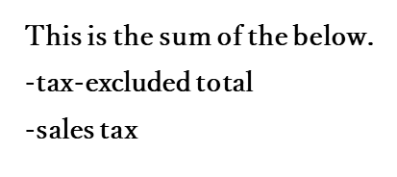
 |  |  |  | ¥0
 |  |  | TOTAL |  |  |  | （with tax）
 |  |  |  |  |  | TAX | ¥0 | -
 |  |  |  |  |  | TOTAL (without tax) | ¥0 | -
 |  |  |  |  |  |  #REF!

 | Prepared by |  |  |  |  | Abuilding, 1-23, B city, Hyogo,
 |  |  |  |  |  | 000-000, JAPAN

 |  |  |  |  |  | PHONE: 000-0000-0000 |  | FAX: 000-0000-0000
 |  |  |  |  |  | Email: sample@sample.com

 | Project | Renovation Project |  |  | Payment Terms
 | Work Site | 1-1-2, ab city, Tokyo
 | Contents |  |  |  | Valid for |  | a month
 |  |  |  |  | Work Period |  | 2 weeks
 | Notes

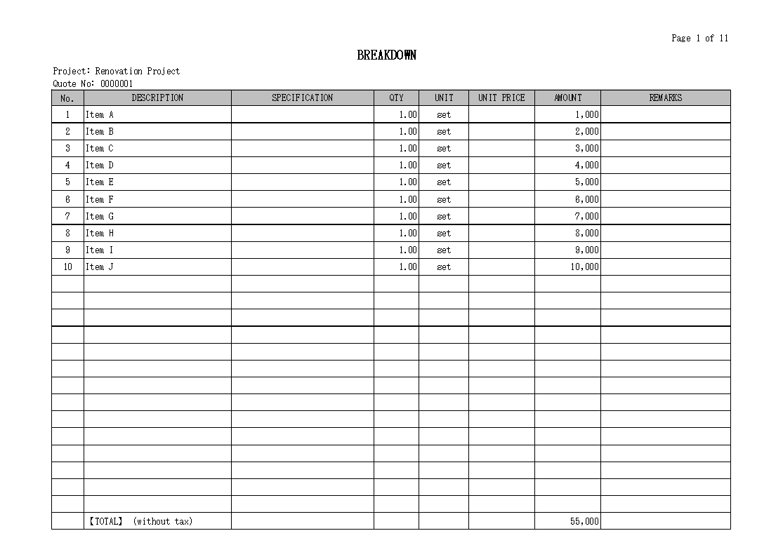
Breakdown
 |  |  |  |  |  |  |  |  |  |  | 【STEPS】
 |  |  |  |  |  |  |  |  |  |  | ① Enter the classification (hierarchy) on the sheet: Breakdown.
 |  |  |  |  |  |  |  |  |  |  | ② ① is reflected on the sheet: Details.
 |  |  |  |  |  |  |  |  |  |  | ③ Enter the details for each classification (hierarchy) on the sheet: Details.
 |  |  |  |  |  |  |  |  |  |  | *The column: AMOUNT contains formulas.
 |  |  |  |  |  |  |  |  |  |  | ④ Enter the sales tax on the sheet: Cover.
 |  |  |  |  |  |  |  |  |  |  | *The default value is set at 10%.

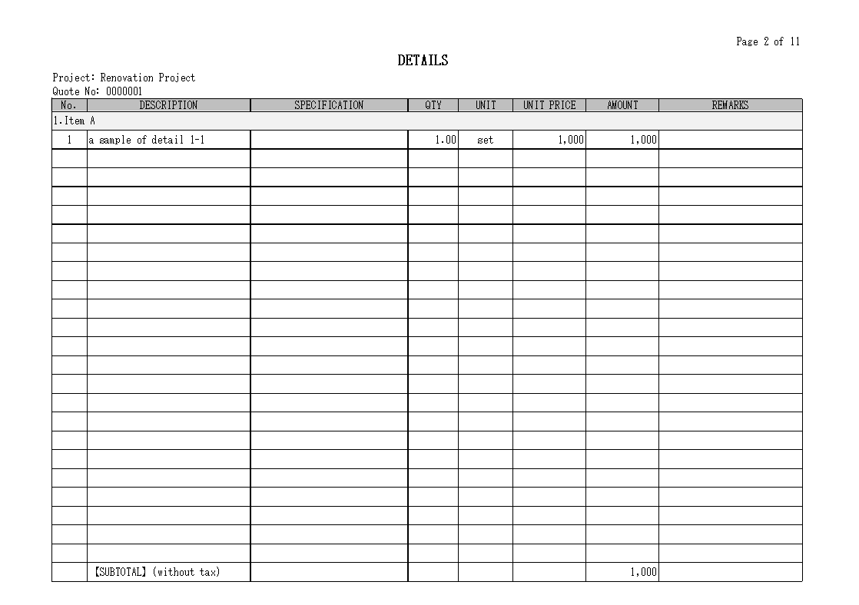
Details

