Example
 |  |  | QUOTATION

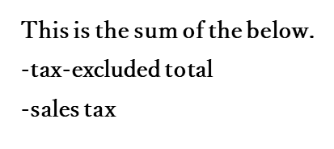
 |  |  |  |  |  |  | QUOTE NUMBER: | 00000001
TO: ○○ |  |  |  |  |  |  | DATE OF QUOTE: | 01/01/2020

 |  | TOTAL |  | ¥0

 |  | ※The amount shown includes |  |  | ¥0 | sales tax.

 |  |  |  |  |  | Abuilding, 1-23,
 |  |  |  |  |  | B city, Hyogo,
 |  |  |  |  |  | 000-000, JAPAN
 |  |  |  |  |  | PHONE: 000-0000-0000
Project | Renovation Project |  |  |  |  | FAX: 000-0000-0000
Work Site | 1-1-2, ab city, Tokyo |  |  |  |  | Email: sample@sample.com

Contetnts | Bathroom |  |  |  |  |  | Prepared by
Valid for | a month
Work Period | 2 weeks
Payment Terms

Notes:

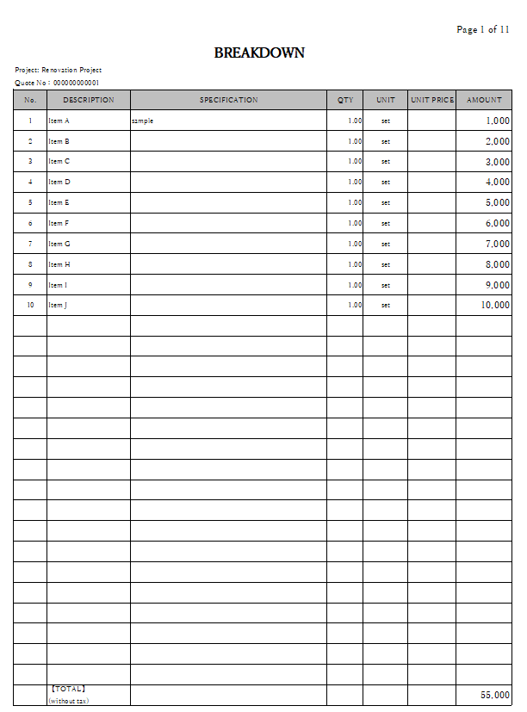
Breakdown
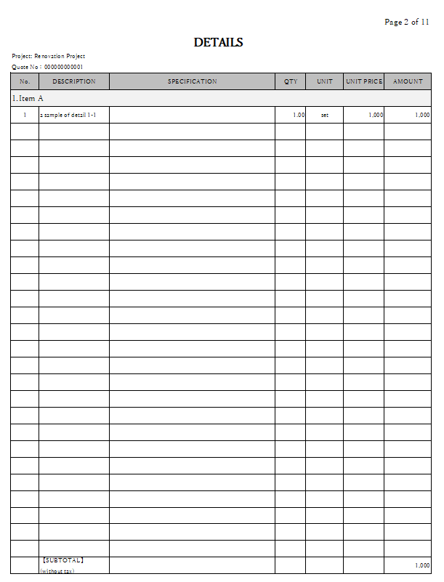
Details
 |  |  |  |  |  |  |  |  | 【STEPS】
 |  |  |  |  |  |  |  |  | ① Enter the classification (hierarchy) on the sheet: Breakdown.
 |  |  |  |  |  |  |  |  | ② ① is reflected on the sheet: Details.
 |  |  |  |  |  |  |  |  | ③ Enter the details for each classification (hierarchy) on the sheet: Details.
 |  |  |  |  |  |  |  |  | *The column: AMOUNT contains formulas.
 |  |  |  |  |  |  |  |  | ④ Enter the sales tax on the sheet: Cover.
 |  |  |  |  |  |  |  |  | *The default value is set at 10%.

 |  |  |  |  |  |  |  |  | 【Methods of cost calculation】
 |  |  |  |  |  |  |  |  | ① Entering the qty and the unit cost in the cost control table on each sheet displays the cost, gross margin, and gross margin ratio.
 |  |  |  |  |  |  |  |  | ② By preparing quotations based on ①, profits can be secured.

